TestSummary
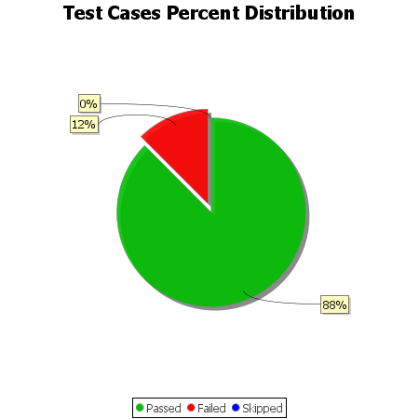
Total Test Cases | 8
Test Cases Passed | 7
Test Cases Failed | 1
Test Cases Skipped | 0

